How to submit this workbook
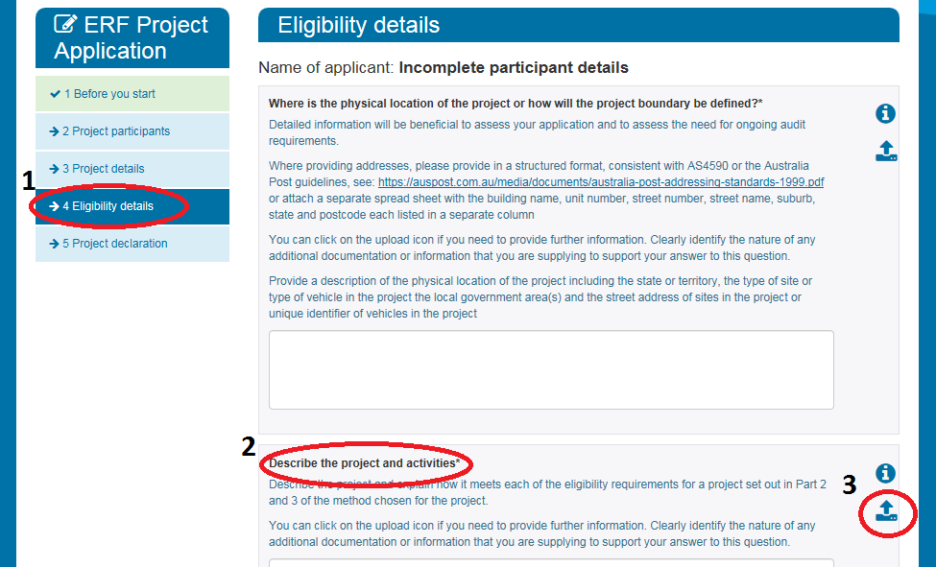
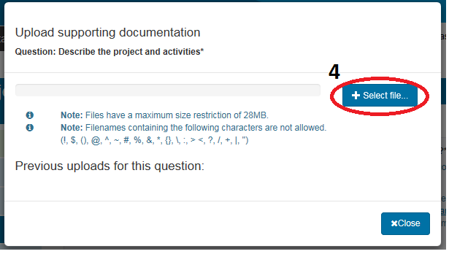
How to submit this workbook to the Clean Energy Regulator
Use the following the steps and illustrations for guidance on how to upload this excel workbook to your online application.
1. Click the Eligibility details tab on the left side of your application.
2. Go to the Describe the project and activities question.
3. Click the attachment button on the right of this question.
4. A pop up box will appear. Click on Select file to upload this excel workbook.
5. You are required to submit some form of response for the first and second question under Eligilibity details. Ensure you state that the attached workbook has the detailed information required for this question.

