Disclaimer
The Clean Energy Regulator consents to the data in this workbook, that is generated from its sources, being used if it is attributed appropriately as a source of that data. Attribution cannot be done in any way that suggests that the Clean Energy Regulator endorses you or your use of the data.
Clean Energy Regulator material (including but not limited to data and images) is used 'as supplied' provided it has not been modified or transformed in any way. This should be referenced as follows, Source: Clean Energy Regulator.
Clean Energy Regulator material that has been modified or transformed is considered derivative (this includes changing graphing or tabular data, calculating percentage changes or deriving new statistics). This should be referenced as follows, Based on Clean Energy Regulator data.

Figure 1.1
Back to contents
Figure 1.1 Australian carbon credit units (ACCUs) issued by method type, Q1 2019 to Q4 2023
Year | Quarter | Vegetation | Waste | Savanna fire management | Energy efficiency | Industrial fugitives | Agriculture | Transport | Total | Annual total
2019 | Q1 | 1,491,980 | 1,159,172 | 0 | 173,205 | 0 | 11,876 | 0 | 2,836,233
2019 | Q2 | 2,832,089 | 887,966 | 766,238 | 47,250 | 337,647 | 26,921 | 0 | 4,898,111
2019 | Q3 | 1,486,212 | 1,774,611 | 249,890 | 22,594 | 13,861 | 64,104 | 9,489 | 3,620,761
2019 | Q4 | 2,494,348 | 619,376 | 25,560 | 204,386 | 0 | 131,330 | 0 | 3,475,000 | 14,830,105
2020 | Q1 | 2,409,504 | 936,022 | 185,221 | 15,929 | 0 | 47,789 | 0 | 3,594,465
2020 | Q2 | 2,662,324 | 606,166 | 982,557 | 186,830 | 302,761 | 33,141 | 12,453 | 4,786,232
2020 | Q3 | 1,597,098 | 688,192 | 119,158 | 10,787 | 0 | 56,073 | 12,261 | 2,483,569
2020 | Q4 | 3,010,930 | 1,816,561 | 17,163 | 241,694 | 0 | 102,191 | 0 | 5,188,539 | 16,052,805
2021 | Q1 | 1,840,204 | 852,778 | 50,477 | 198,504 | 0 | 165,365 | 0 | 3,107,328
2021 | Q2 | 2,670,300 | 1,568,119 | 970,180 | 74,083 | 274,463 | 110,189 | 19,505 | 5,686,839
2021 | Q3 | 2,261,226 | 1,907,849 | 599,099 | 16,295 | 0 | 27,980 | 2,324 | 4,814,773
2021 | Q4 | 2,571,002 | 625,412 | 20,958 | 122,888 | 0 | 91,582 | 0 | 3,431,842 | 17,040,782
2022 | Q1 | 2,099,793 | 880,188 | 17,753 | 180,107 | 0 | 160,812 | 0 | 3,338,653
2022 | Q2 | 2,631,819 | 676,403 | 1,130,902 | 178,081 | 240,758 | 30,401 | 34,895 | 4,923,259
2022 | Q3 | 2,129,636 | 3,316,622 | 123,304 | 35,791 | 0 | 73,592 | 0 | 5,678,945
2022 | Q4 | 2,949,405 | 646,281 | 44,335 | 136,533 | 0 | 10,134 | 10,514 | 3,797,202 | 17,738,059
2023 | Q1 | 1,029,657 | 394,145 | 104,511 | 13,695 | 0 | 290,414 | 0 | 1,832,422
2023 | Q2 | 1,994,187 | 1,408,753 | 412,693 | 324,783 | 75,246 | 161,796 | 0 | 4,377,458
2023 | Q3 | 3,336,827 | 1,948,240 | 847,373 | 97,945 | 580,200 | 152,197 | 35,230 | 6,998,012
2023 | Q4 | 2,544,815 | 1,018,877 | 389,497 | 35,305 | 0 | 24,722 | 0 | 4,013,216 | 17,221,108
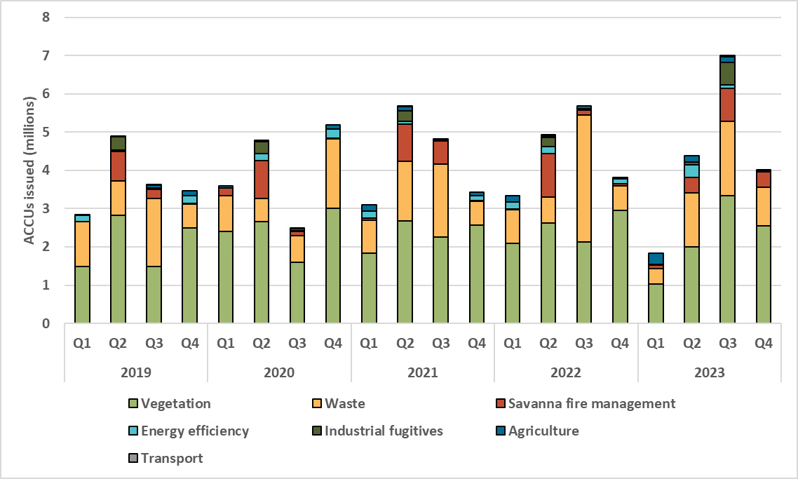

About Figure 1.1 This figure shows ACCUs issued by method type over time. ACCU issuance follows a seasonal pattern for certain method types, including industrial fugitive methods and savanna fire management.

Figure 1.2
Back to contents
Figure 1.2 Registered projects by method type, Q1 2019 to Q4 2023
Year | Quarter | Vegetation | Agriculture - soil carbon | Agriculture - other | Carbon capture | Energy efficiency | Facilities | Industrial fugitives | Savanna fire management | Transport | Waste | Total | Annual total
2019 | Q1 | 3 | 0 | 0 | 0 | 0 | 0 | 0 | 0 | 0 | 0 | 3
2019 | Q2 | 9 | 0 | 1 | 0 | 1 | 0 | 0 | 0 | 0 | 1 | 12
2019 | Q3 | 6 | 0 | 0 | 0 | 1 | 0 | 0 | 1 | 0 | 0 | 8
2019 | Q4 | 5 | 1 | 1 | 0 | 1 | 0 | 0 | 1 | 0 | 1 | 10 | 33
2020 | Q1 | 10 | 4 | 0 | 0 | 2 | 0 | 0 | 0 | 0 | 3 | 19
2020 | Q2 | 9 | 5 | 0 | 0 | 2 | 0 | 0 | 1 | 0 | 5 | 22
2020 | Q3 | 32 | 11 | 0 | 0 | 0 | 0 | 0 | 0 | 0 | 0 | 43
2020 | Q4 | 19 | 43 | 0 | 0 | 2 | 0 | 0 | 3 | 1 | 1 | 69 | 153
2021 | Q1 | 15 | 22 | 2 | 0 | 1 | 1 | 0 | 0 | 0 | 0 | 41
2021 | Q2 | 12 | 23 | 0 | 0 | 4 | 0 | 0 | 0 | 1 | 5 | 45
2021 | Q3 | 18 | 30 | 0 | 0 | 3 | 0 | 0 | 1 | 0 | 2 | 54
2021 | Q4 | 10 | 31 | 1 | 1 | 4 | 0 | 4 | 1 | 0 | 2 | 54 | 194
2022 | Q1 | 43 | 62 | 5 | 0 | 4 | 1 | 1 | 0 | 1 | 3 | 120
2022 | Q2 | 28 | 67 | 3 | 0 | 1 | 0 | 0 | 0 | 0 | 9 | 108
2022 | Q3 | 18 | 36 | 2 | 0 | 5 | 0 | 0 | 0 | 3 | 7 | 71
2022 | Q4 | 25 | 47 | 3 | 0 | 1 | 0 | 0 | 1 | 0 | 6 | 83 | 382
2023 | Q1 | 41 | 25 | 0 | 0 | 3 | 0 | 0 | 0 | 0 | 2 | 71
2023 | Q2 | 54 | 19 | 0 | 0 | 2 | 0 | 1 | 1 | 0 | 7 | 84
2023 | Q3 | 106 | 17 | 4 | 0 | 0 | 0 | 0 | 0 | 1 | 6 | 134
2023 | Q4 | 27 | 33 | 0 | 0 | 1 | 0 | 2 | 2 | 2 | 5 | 72 | 361
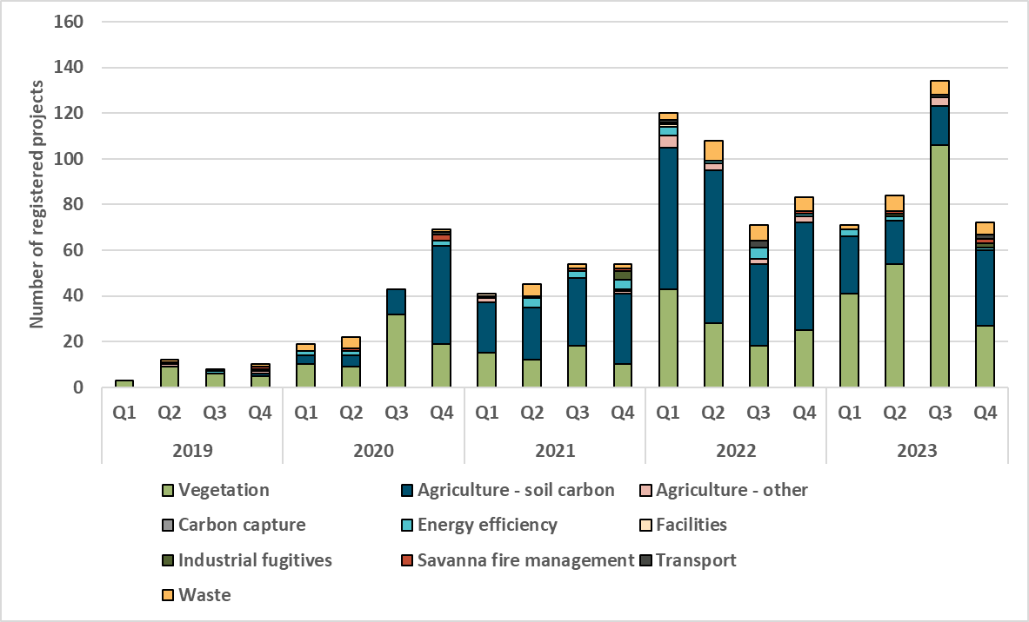

About Figure 1.2 This figure shows registered projects under the Australian Carbon Credit Unit (ACCU) Scheme by method type over time.
The small print The 'agriculture' method type has been segregated into 'agriculture - soil carbon' and 'agriculture- other' to highlight growth in the soil carbon sector. The 'agriculture - soil carbon' method includes the ‘measurement of soil carbon sequestration in agricultural systems' method, the ‘sequestering carbon in soils in grazing systems’ method and the 'estimation of soil carbon sequestration using measurement and models' method.

Figure 1.3
Back to contents
Figure 1.3 Australian carbon credit unit (ACCU) holdings by market participation, Q1 2019 to Q4 2023
Year | Quarter | Project proponent holdings (millions of ACCUs) | Business and government enterprise holdings (millions of ACCUs) | Intermediary holdings (millions of ACCUs) | Safeguard holdings (millions of ACCUs) | Total holdings (millions of ACCUs)
2019 | Q1 | 2.5 | 0.0 | 0.7 | 1.2 | 4.3
2019 | Q2 | 4.2 | 0.1 | 0.7 | 1.2 | 6.2
2019 | Q3 | 2.8 | 0.1 | 0.7 | 1.8 | 5.4
2019 | Q4 | 3.1 | 0.0 | 1.0 | 2.0 | 6.1
2020 | Q1 | 3.2 | 0.0 | 1.2 | 1.9 | 6.3
2020 | Q2 | 4.4 | 0.0 | 1.2 | 1.8 | 7.5
2020 | Q3 | 3.2 | 0.1 | 1.2 | 1.9 | 6.4
2020 | Q4 | 4.2 | 0.1 | 1.4 | 2.2 | 7.9
2021 | Q1 | 3.8 | 0.1 | 1.8 | 2.1 | 7.8
2021 | Q2 | 5.2 | 0.1 | 2.2 | 2.1 | 9.7
2021 | Q3 | 5.5 | 0.1 | 3.0 | 2.1 | 10.9
2021 | Q4 | 5.0 | 0.3 | 3.9 | 2.3 | 11.5
2022 | Q1 | 5.6 | 1.0 | 4.1 | 2.2 | 12.9
2022 | Q2 | 7.6 | 1.7 | 4.6 | 2.3 | 16.1
2022 | Q3 | 8.2 | 2.5 | 6.5 | 2.5 | 19.7
2022 | Q4 | 8.7 | 2.8 | 8.5 | 2.7 | 22.7
2023 | Q1 | 7.7 | 3.4 | 9.6 | 3.0 | 23.8
2023 | Q2 | 9.0 | 4.8 | 10.5 | 3.3 | 27.6
2023 | Q3 | 11.2 | 6.1 | 10.7 | 5.5 | 33.5
2023 | Q4 | 10.3 | 7.6 | 10.9 | 7.4 | 36.2

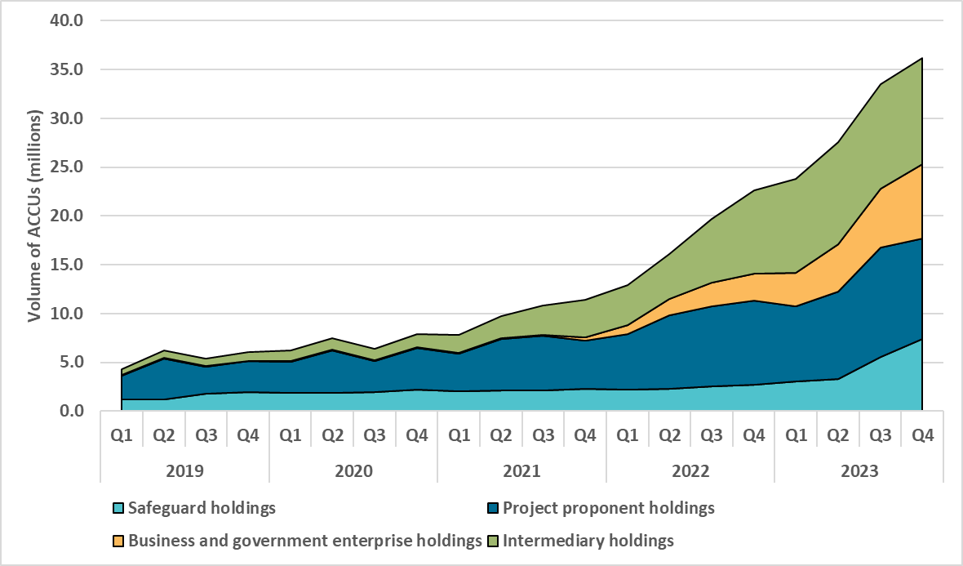

About Figure 1.3 This figure shows ACCU holdings in Australian National Registry of Emissions Units (ANREU) accounts by different account holder categories over time.
The small print
Category | Project proponent | Business and government enterprise | Intermediary | Safeguard
Definition | An account holder is connected to one or more ACCU Scheme projects. The connection to projects has been determined based on the available project information. Entities may have linkages to projects that have not been disclosed to the Clean Energy Regulator. | Account holders that do not have a direct link to ACCU Scheme projects. These include voluntary participants and local, state and territory government entities that are accumulating for voluntary or compliance purposes. | Account holder’s primary operation is to facilitate trading of units between the supply and demand sides of the market. This also includes accounts who have accumulated ACCUs through the secondary market without known scheme obligations, offset use, or carbon trading/offset services. | Account holders are Safeguard entities that control a single account, or in cases where Safeguard entities control multiple accounts, only those that have surrendered ACCUs for Safeguard compliance purposes or specify a facility are included. Some Safeguard accounts also engage in trading activity that may result in holdings fluctuations within this category.
Balance at the end of the quarter (millions of ACCUs) | 10.3 | 7.6 | 10.9 | 7.4
Number of accounts | 209 | 65 | 58 | 43
Accounts with nil volume at the end of the quarter are excluded. Totals may not sum due to rounding.

Figure 1.4
Back to contents
Figure 1.4 Non-Commonwealth Australian carbon credit unit (ACCU) cancellations by demand source, Q1 2019 to Q4 2023
Year | Quarter | Voluntary | Local, state and territory | Compliance | Other | Total
2019 | Q1 | 11,537 | 17,458 | 9,781 | 11 | 38,787
2019 | Q2 | 39,793 | 69,985 | 0 | 1,500 | 111,278
2019 | Q3 | 87,169 | 25,499 | 18,174 | 1,827 | 132,669
2019 | Q4 | 190,646 | 1,180 | 0 | 2,318 | 194,144
2020 | Q1 | 84,592 | 18,260 | 0 | 11,991 | 114,843
2020 | Q2 | 90,203 | 91,628 | 14,343 | 9,845 | 206,019
2020 | Q3 | 213,248 | 0 | 0 | 2,772 | 216,020
2020 | Q4 | 217,456 | 10,000 | 65,668 | 10,951 | 304,075
2021 | Q1 | 150,884 | 0 | 0 | 23,605 | 174,489
2021 | Q2 | 211,376 | 0 | 9,973 | 5,611 | 226,960
2021 | Q3 | 168,310 | 0 | 50,446 | 1,602 | 220,358
2021 | Q4 | 313,875 | 3,400 | 3,734 | 7,352 | 328,361
2022 | Q1 | 161,020 | 1,118 | 85,925 | 34,715 | 282,778
2022 | Q2 | 295,784 | 5 | 117,670 | 27,918 | 441,377
2022 | Q3 | 166,294 | 448 | 288,987 | 21,176 | 476,905
2022 | Q4 | 231,983 | 2,542 | 17,240 | 26,456 | 278,221
2023 | Q1 | 201,426 | 10,516 | 0 | 0 | 211,942
2023 | Q2 | 328,884 | 12,731 | 0 | 1,349 | 342,964
2023 | Q3 | 269,849 | 43,043 | 55,093 | 18,778 | 386,763
2023 | Q4 | 290,416 | 24,463 | 421,498 | 56,736 | 793,113
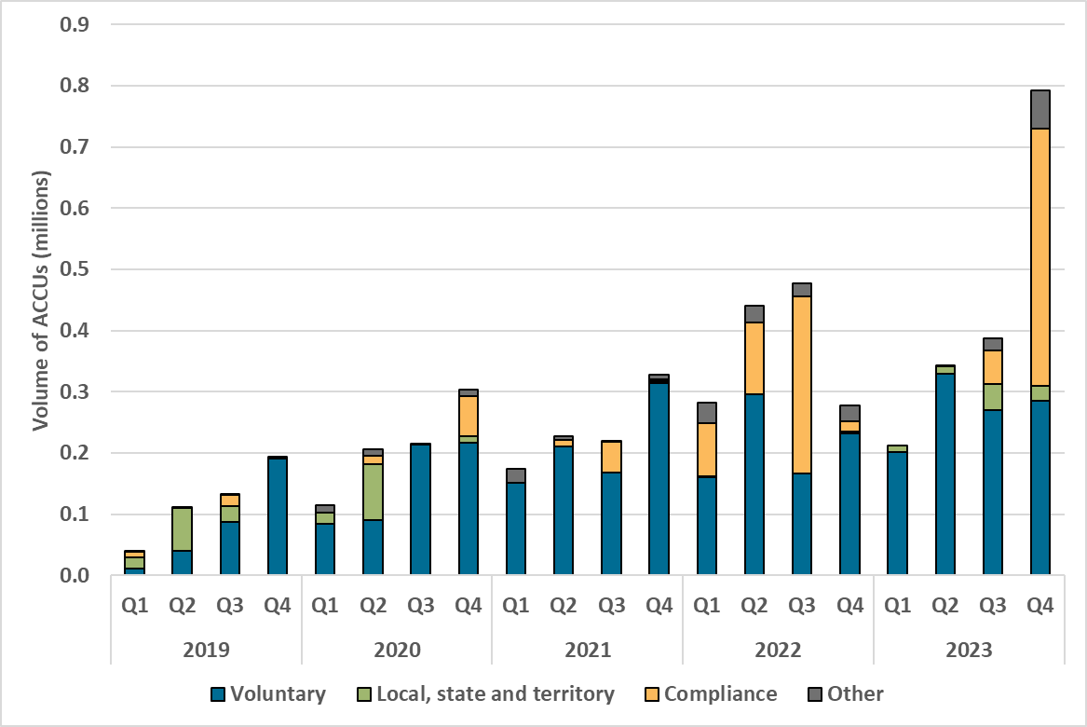

About Figure 1.4 This figure shows non-Commonwealth ACCU cancellations by demand source over time.
The small print
Classification | Covered activities
Voluntary demand | Cancellations made against voluntary certification programs such as Climate Active, and any sort of organisational emissions or energy targets.
Local, state and territory government demand | Cancellations on behalf of local, state and territory governments, for example, to offset emissions from state fleets or meet emissions reduction targets.
Compliance demand | Cancellations by private organisations and corporations for compliance or obligations against municipal, local, state and territory government laws, approvals, or contracts. For example, to meet Environmental Protection Authority requirements.
Other demand | All activity not covered in the previous categories, primarily due to a lack of available information.
This classification system is uniform across ACCU and large-scale generation certificate (LGC) cancellations.
These ACCU cancellations in the Australian National Register of Emissions Units (ANREU) are for purposes other than deliveries against Commonwealth carbon abatement contract milestones or surrenders for Safeguard Mechanism obligations. They could be voluntary to show progress towards reducing net scope 1 emissions or to meet state or territory regulatory requirements.

Figure 1.5
Back to contents
Figure 1.5 Generic Australian carbon credit unit (ACCU) reported spot price, December 2022 to December 2023
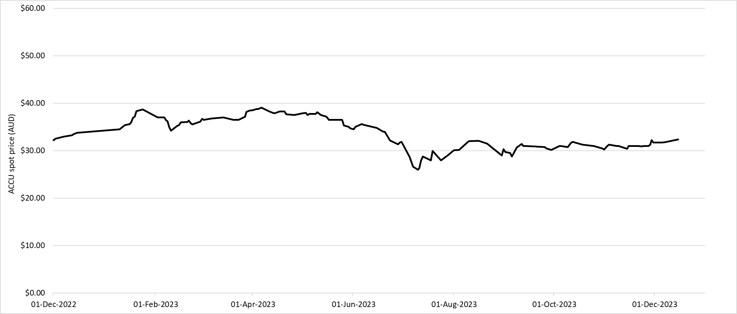

About Figure 1.5 This figure shows the volume weighted average of the generic ACCU spot price. The generic spot price refers to the price of ACCU spot trades with an unspecified method.
The small print Spot trade data is compiled from trades reported by Jarden and CORE markets, and may not be comprehensive. Data as at 1 January 2024.

Figure 1.6
Back to contents
Figure 1.6 Non-Commonwealth Australian carbon credit unit (ACCU) cancellations by method type, Q1 2019 to Q4 2023
Year | Quarter | Savanna fire management | Vegetation | Waste | Agriculture | Transport | Energy efficiency | Industrial fugitives | Total | Annual total
2019 | 1 | 30,574 | 3,213 | 5,000 | 0 | 0 | 0 | 0 | 38,787
2019 | 2 | 90,684 | 20,594 | 0 | 0 | 0 | 0 | 0 | 111,278
2019 | 3 | 63,265 | 67,112 | 2,292 | 0 | 0 | 0 | 0 | 132,669
2019 | 4 | 67,511 | 109,313 | 17,320 | 0 | 0 | 0 | 0 | 194,144 | 476,878
2020 | 1 | 28,420 | 68,173 | 18,250 | 0 | 0 | 0 | 0 | 114,843
2020 | 2 | 148,034 | 43,642 | 14,343 | 0 | 0 | 0 | 0 | 206,019
2020 | 3 | 172,185 | 41,960 | 300 | 1,575 | 0 | 0 | 0 | 216,020
2020 | 4 | 71,320 | 197,080 | 35,669 | 0 | 6 | 0 | 0 | 304,075 | 840,957
2021 | 1 | 115,678 | 41,022 | 17,789 | 0 | 0 | 0 | 0 | 174,489
2021 | 2 | 122,084 | 94,903 | 9,973 | 0 | 0 | 0 | 0 | 226,960
2021 | 3 | 70,918 | 88,494 | 60,946 | 0 | 0 | 0 | 0 | 220,358
2021 | 4 | 163,216 | 155,641 | 9,504 | 0 | 0 | 0 | 0 | 328,361 | 950,168
2022 | 1 | 69,656 | 107,033 | 106,089 | 0 | 0 | 0 | 0 | 282,778
2022 | 2 | 122,291 | 314,921 | 4,165 | 0 | 0 | 0 | 0 | 441,377
2022 | 3 | 66,238 | 378,983 | 31,684 | 0 | 0 | 0 | 0 | 476,905
2022 | 4 | 126,510 | 126,374 | 11,658 | 13,114 | 0 | 565 | 0 | 278,221 | 1,479,281
2023 | 1 | 120,217 | 89,630 | 1,845 | 250 | 0 | 0 | 0 | 211,942
2023 | 2 | 88,151 | 225,786 | 4,530 | 1,197 | 0 | 23,300 | 0 | 342,964
2023 | 3 | 185,939 | 128,100 | 54,966 | 16,896 | 0 | 379 | 483 | 386,763
2023 | 4 | 195,054 | 238,191 | 357,330 | 2,531 | 0 | 7 | 0 | 793,113 | 1,734,782
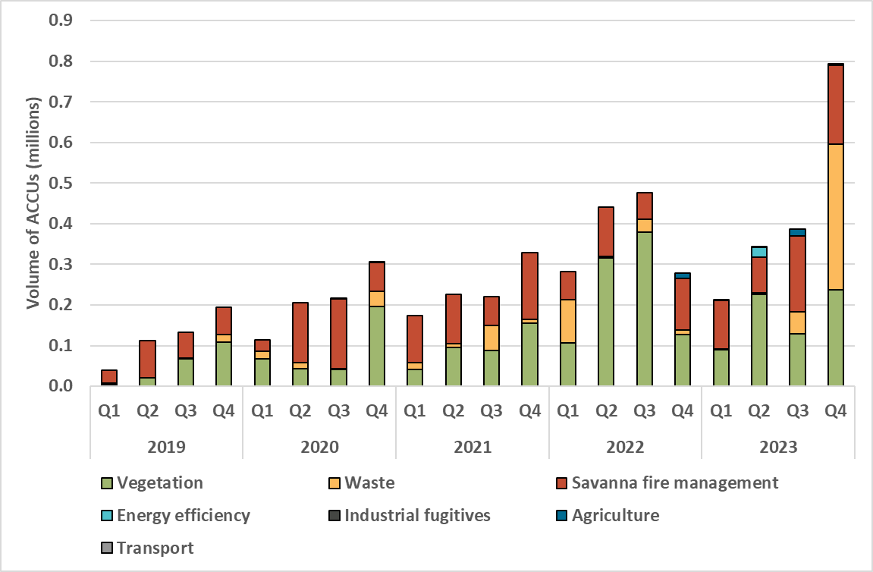

About Figure 1.6 This figure shows non-Commonwealth ACCU cancellations by method type over time.
Small print
These ACCU cancellations in the Australian National Register of Emissions Units (ANREU) are for purposes other than deliveries to the Emissions Reduction Fund (ERF) or surrenders for Safeguard Mechanism obligations. They could be voluntary to show progress towards reducing net scope 1 emissions or to meet state/territory regulatory requirements.

Figure 1.7
Back to contents
Figure 1.7 Reported Australian carbon credit unit (ACCU) spot trades by method type, January 2021 to December 2023
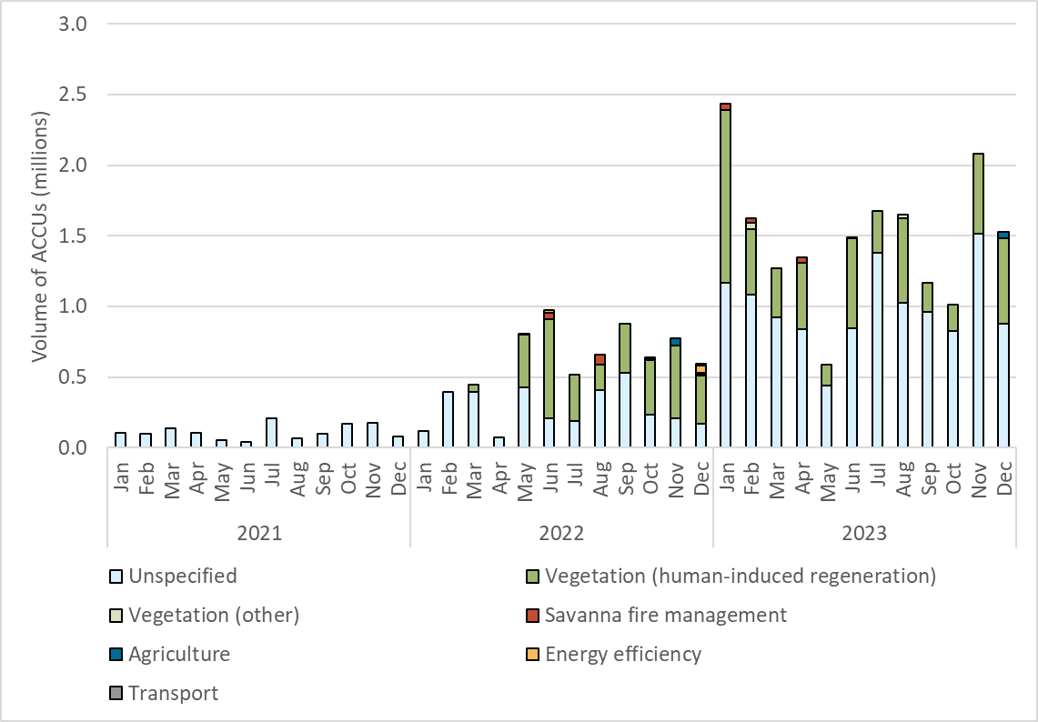

 | ,

About Figure 1.7 This figure shows the volume of reported ACCU spot trades by method type over time.
The small print Spot trade data is compiled from trades reported by Jarden and CORE markets, and may not be comprehensive.

Figure 2.1
Back to contents
Figure 2.1 Installed and approved renewable capacity by technology type, 2018 to 2023
Year | Small-scale Renewable Energy Scheme (SRES) installed capacity (GW) | Large-scale Renewable Energy Target (LRET) approved solar capacity (GW) | Large-scale Renewable Energy Target (LRET) approved wind capacity (GW)
2018 | 1.6 | 2.5 | 0.9
2019 | 2.2 | 2.5 | 1.4
2020 | 3.0 | 1.9 | 2.3
2021 | 3.2 | 2.0 | 0.3
2022 | 2.8 | 1.7 | 0.7
2023 | 3.1 | 1.5 | 0.7
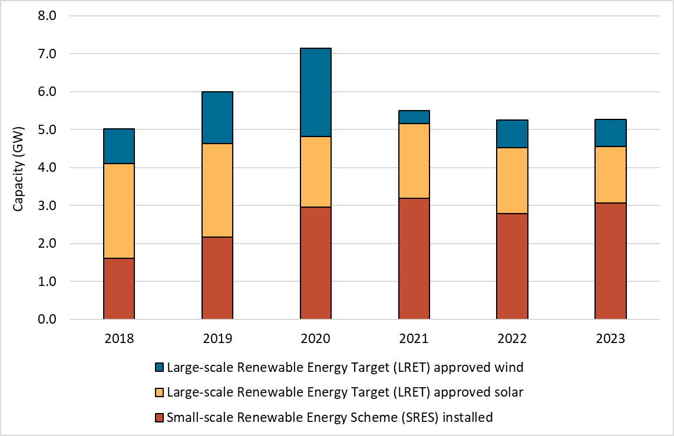

About Figure 2.1 This figure shows installed capacity under the SRES and approved capacity for wind and solar power stations under the LRET in gigawatts (GW) over time.
The small print A 12 month creation period for registered persons to create small-scale technology certificates (STCs) applies under the Renewable Energy (Electricity) Regulations (2001). SRES installed capacity in 2023 has been lag-adjusted to account for the 12 month creation rule and is an estimate only. The 2023 installed capacity figure may change. Capacity figures relating to the LRET are based on the approval date. This is the date a renewable energy power station was approved by the Clean Energy Regulator (CER) to be accredited to generate large-scale generation certificates (LGCs).

Figure 2.2
Back to contents
Figure 2.2 Renewables generation share and emissions intensity of the National Electricity Market (NEM), 2011 to 2023
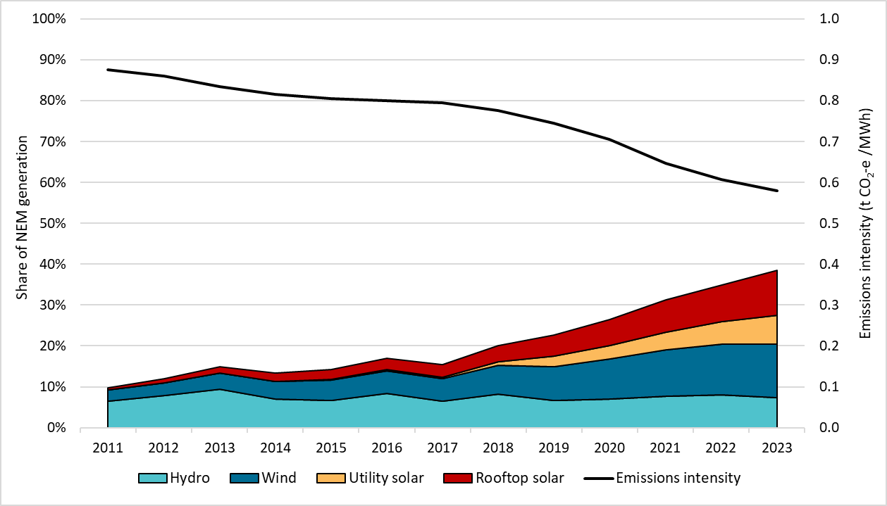

About Figure 2.2 This figure shows the share of generation contributed by renewables in the NEM over time. It also shows the emissions intensity of the NEM as tonnes of carbon dioxide equivalent (t CO2-e) per megawatt hour (MWh) over time. The NEM operates in ACT, NSW, Queensland, SA, Victoria and Tasmania. It does not include WA or NT.
The small print Generation and emissions intensity data sourced from OpenNEM on 17 January 2024. A small portion of renewable generation, including biomass, is not shown.

Figure 3.1
Back to contents
Figure 3.1 Large-scale generation certificates (LGCs) validated by technology type, Q1 2019 to Q4 2023
Year | Quarter | Wind | Solar | Biomass | Hydroelectricity | Waste coal mine gas | Total | Annual total
2019 | Q1 | 4,163,383 | 1,325,825 | 784,269 | 839,688 | 169,615 | 7,282,780
2019 | Q2 | 4,310,490 | 1,070,199 | 478,893 | 57,938 | 284,535 | 6,202,055
2019 | Q3 | 4,608,738 | 1,114,407 | 586,299 | 170,849 | 278,078 | 6,758,371
2019 | Q4 | 5,555,545 | 1,818,946 | 1,001,089 | 879,547 | 117,768 | 9,372,895 | 29,616,101
2020 | Q1 | 4,313,812 | 1,973,944 | 545,611 | 403,025 | 161,286 | 7,397,678
2020 | Q2 | 4,974,714 | 1,526,406 | 327,152 | 57,458 | 82,299 | 6,968,029
2020 | Q3 | 5,023,838 | 1,387,380 | 562,685 | 58,210 | 290,632 | 7,322,745
2020 | Q4 | 7,038,530 | 2,447,583 | 1,092,288 | 581,376 | 304,751 | 11,464,528 | 33,152,980
2021 | Q1 | 5,585,594 | 2,424,731 | 432,716 | 751,496 | 11,028 | 9,205,565
2021 | Q2 | 5,418,883 | 2,128,835 | 344,264 | 60,940 | 0 | 7,952,922
2021 | Q3 | 6,984,780 | 1,716,402 | 394,604 | 112,893 | 0 | 9,208,679
2021 | Q4 | 8,235,025 | 3,042,634 | 982,100 | 305,208 | 0 | 12,564,967 | 38,932,133
2022 | Q1 | 5,281,079 | 3,466,134 | 615,892 | 816,529 | 0 | 10,179,634
2022 | Q2 | 6,356,949 | 2,733,665 | 345,547 | 90,978 | 0 | 9,527,139
2022 | Q3 | 8,076,905 | 2,297,227 | 596,284 | 207,837 | 0 | 11,178,253
2022 | Q4 | 6,750,741 | 3,284,968 | 613,178 | 556,726 | 0 | 11,205,613 | 42,090,639
2023 | Q1 | 6,812,455 | 4,523,784 | 838,244 | 891,226 | 0 | 13,065,709
2023 | Q2 | 7,286,918 | 3,463,773 | 398,580 | 138,585 | 0 | 11,287,856
2023 | Q3 | 8,500,814 | 3,090,340 | 386,810 | 141,337 | 0 | 12,119,301
2023 | Q4 | 7,657,674 | 4,422,891 | 780,365 | 268,648 | 0 | 13,129,578 | 49,602,444
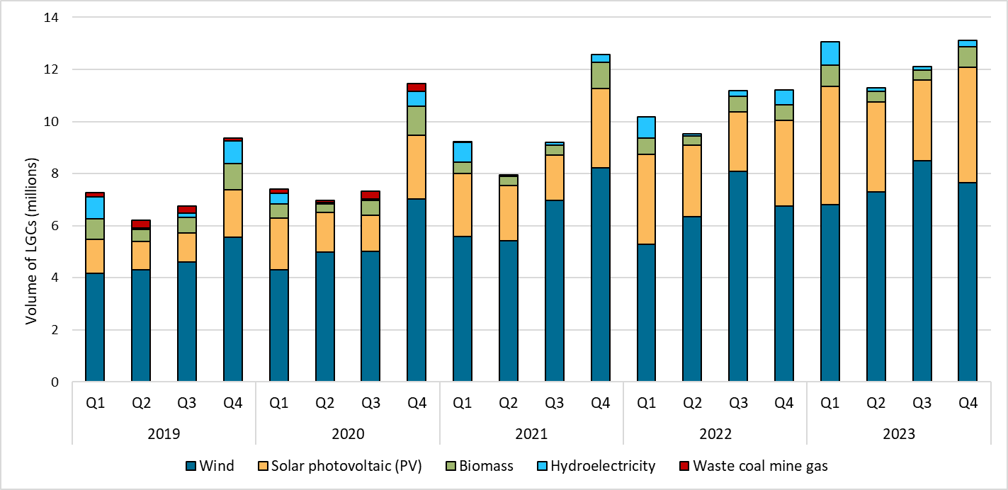

About Figure 3.1 This figure shows the number of LGCs validated by technology type over time.
The small print Waste coal mine gas is no longer eligible to create LGCs as of 2021. Any 2021 validations reflect LGCs that were created prior to 2021.

Figure 3.2
Back to contents
Figure 3.2 Final investment decision (FID) and approved capacity in gigawatts (GW), 2017 to 2023
Year | FID capacity (GW) | Approved capacity (GW)
2017 | 4.0
2018 | 4.9
2019 | 2.4 | 3.8
2020 | 3.2 | 4.2
2021 | 3.2 | 2.3
2022 | 4.5 | 2.5
2023 | 1.5 | 2.2
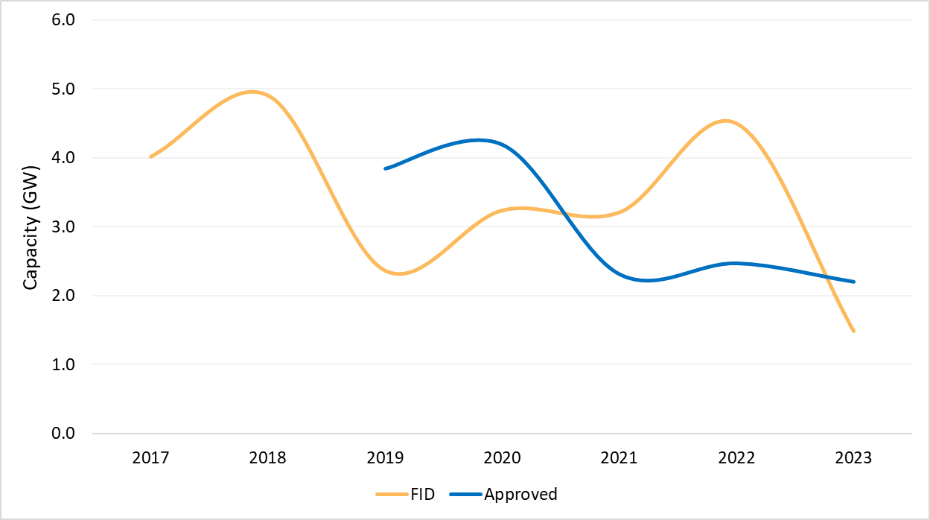

About Figure 3.2 This figure shows FID and approved capacity in gigawatts (GW) over time. Large-scale renewable power stations are approved by the Clean Energy Regulator (CER) to generate large-scale generation certificates (LGCs). Typically, power stations take a minimum of 12 months to be built and reach first generation of electricity, with many taking much longer.
The small print The Clean Energy Regulator (CER) tracks public FID announcements, this information may not be complete and may change retrospectively. Data as at 31 December 2023 for approved capacity. Data as at 1 March 2024 for FID.

Figure 3.3
Back to contents
Figure 3.3 Final investment decision (FID) capacity in gigawatts (GW) for large-scale renewable generation, Q1 2016 to Q4 2023
Year | Quarter | FID capacity (GW) | Four quarter rolling average (GW) | Annual total capacity (GW)
2016 | Q1 | 0.04 | #N/A
2016 | Q2 | 0.30 | #N/A
2016 | Q3 | 0.01 | #N/A
2016 | Q4 | 0.97 | 0.3 | 1.3
2017 | Q1 | 0.85 | 0.5
2017 | Q2 | 0.75 | 0.6
2017 | Q3 | 1.12 | 0.9
2017 | Q4 | 1.30 | 1.0 | 4.0
2018 | Q1 | 1.47 | 1.2
2018 | Q2 | 0.96 | 1.2
2018 | Q3 | 0.61 | 1.1
2018 | Q4 | 1.86 | 1.2 | 4.9
2019 | Q1 | 0.69 | 1.0
2019 | Q2 | 0.67 | 1.0
2019 | Q3 | 0.47 | 0.9
2019 | Q4 | 0.54 | 0.6 | 2.4
2020 | Q1 | 1.21 | 0.7
2020 | Q2 | 0.02 | 0.6
2020 | Q3 | 1.29 | 0.8
2020 | Q4 | 0.73 | 0.8 | 3.3
2021 | Q1 | 0.29 | 0.6
2021 | Q2 | 0.73 | 0.8
2021 | Q3 | 1.17 | 0.7
2021 | Q4 | 1.02 | 0.8 | 3.2
2022 | Q1 | 1.40 | 1.1
2022 | Q2 | 0.42 | 1.0
2022 | Q3 | 0.49 | 0.8
2022 | Q4 | 2.20 | 1.1 | 4.5
2023 | Q1 | 0.47 | 0.9
2023 | Q2 | 0.05 | 0.8
2023 | Q3 | 0.17 | 0.7
2023 | Q4 | 0.80 | 0.4 | 1.5
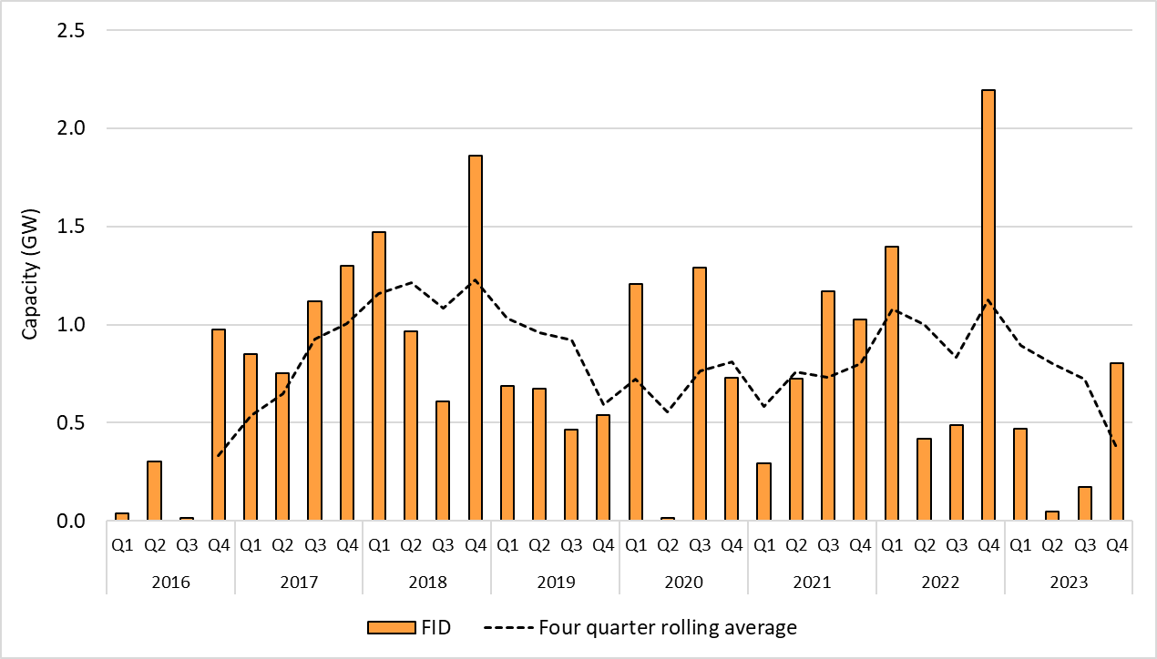

About Figure 3.3 This figure shows the capacity and four quarter rolling average of large-scale renewable power stations to reach FID over time.
The small print The Clean Energy Regulator (CER) tracks public FID announcements, this information may not be complete and may change retrospectively. Data as at 1 March 2024.

Figure 3.4
Back to contents
Figure 3.4 Non-Renewable Energy Target (non-RET) large-scale generation certificate (LGC) cancellations by demand source, Q1 2019 to Q4 2023
Year | Quarter | Voluntary | Local, state and territory | Compliance | Other | Total
2019 | Q1 | 555 | 12,746 | 6,411 | 0 | 19,712
2019 | Q2 | 2,499 | 965 | 0 | 0 | 3,464
2019 | Q3 | 537,865 | 0 | 89,471 | 503 | 627,839
2019 | Q4 | 65,785 | 0 | 2,370 | 16,797 | 84,952
2020 | Q1 | 61,037 | 85,164 | 117,690 | 4,973 | 268,864
2020 | Q2 | 118,449 | 56,755 | 0 | 2,313 | 177,517
2020 | Q3 | 743,550 | 2,263,408 | 411,931 | 3,537 | 3,422,426
2020 | Q4 | 142,074 | 149 | 0 | 14,374 | 156,597
2021 | Q1 | 199,323 | 75,858 | 70,461 | 12,831 | 358,473
2021 | Q2 | 169,557 | 2,290,402 | 6,069 | 53,597 | 2,519,625
2021 | Q3 | 934,107 | 19,013 | 432,199 | 1,752 | 1,387,071
2021 | Q4 | 301,784 | 0 | 1,204,072 | 456 | 1,506,312
2022 | Q1 | 591,558 | 560,273 | 40,627 | 23,772 | 1,216,230
2022 | Q2 | 344,228 | 1,875 | 5,421 | 4,834 | 356,358
2022 | Q3 | 1,398,598 | 2,752,096 | 470,599 | 32,111 | 4,653,404
2022 | Q4 | 1,054,476 | 57,418 | 20,220 | 52,679 | 1,184,793
2023 | Q1 | 1,239,059 | 597,410 | 173,090 | 75,789 | 2,085,348
2023 | Q2 | 727,621 | 2,206,103 | 35,671 | 175,339 | 3,144,734
2023 | Q3 | 2,317,612 | 245,293 | 81,618 | 89,197 | 2,733,720
2023 | Q4 | 594,716 | 44,633 | 53,054 | 61,685 | 754,088
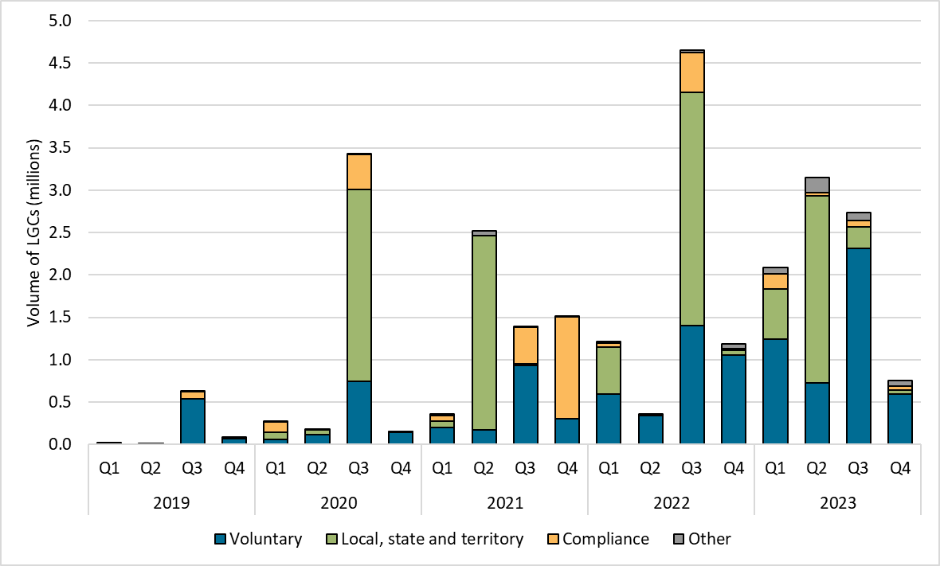

About Figure 3.4 This figure shows LGC cancellations by demand source over time.
The small print
Classification | Covered activities
Voluntary demand | Cancellations made against voluntary certification programs such as Climate Active, and any sort of organisational emissions or energy targets.
Local, state and territory government demand | Cancellations on behalf of local, state and territory governments, for example to offset emissions from state fleets or meet emissions reduction targets.
Compliance demand | Cancellations by private organisations and corporations for compliance or obligations against municipal, local, state and territory government laws, approvals, or contracts. For example, to meet Environmental Protection Authority requirements.
Other demand | All activity not covered in the previous categories, primarily due to a lack of available information.
This classification system is uniform across Australian carbon credit unit (ACCU) and LGC cancellations.

Figure 3.5
Back to contents
Figure 3.5 Large-scale generation certificate (LGC) spot price, January 2015 to December 2023
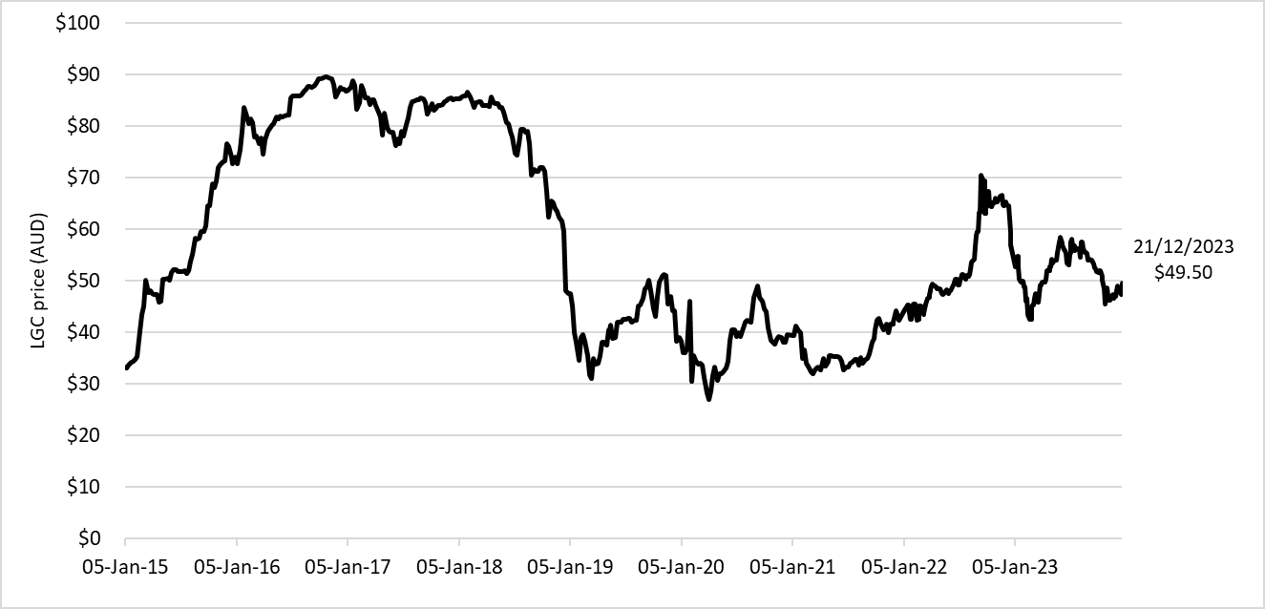

About Figure 3.5 This figure shows the LGC spot price from January 2015 to December 2023.
The small print Pricing data is compiled from trades reported by CORE markets, and may not be comprehensive.

Figure 3.6
Back to contents
Figure 3.6 Large-scale generation certificate (LGC) reported spot and forward prices, December 2022 to December 2023
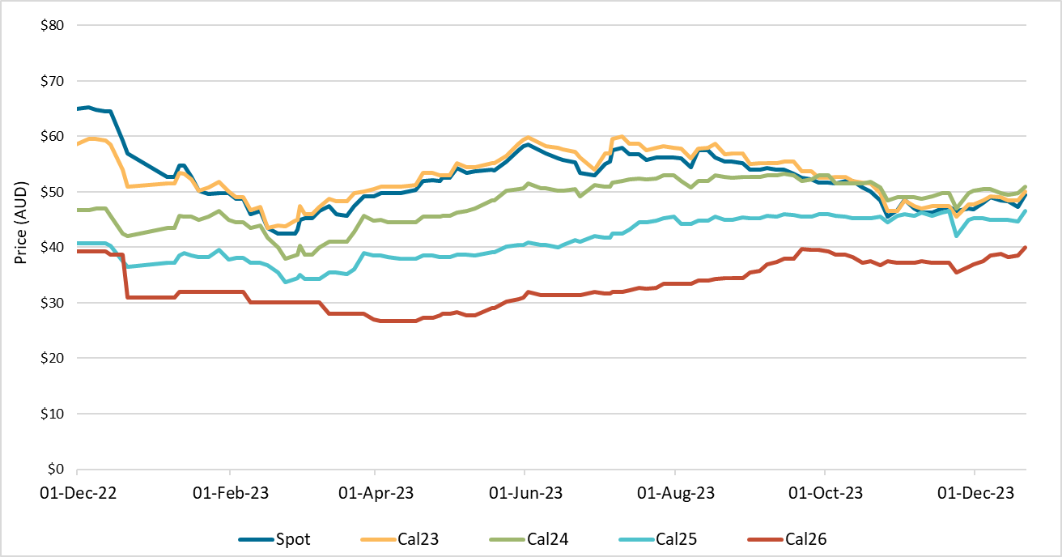

About Figure 3.6 This figure shows the LGC spot price and calendar year forward prices over the last 12 months. For example, Cal24 is the 2024 calendar year.
The small print Pricing data is compiled from trades reported by CORE markets, and may not be comprehensive.

Figure 3.7
Back to contents
Figure 3.7 Final investment decision (FID) capacity and potential revenue per megawatt hour (MWh) for large-scale wind and utility solar, 2016 to 2023
Year | FID capacity (GW) | Potential revenue per MWh for large-scale wind (AUD) | Potential revenue per MWh for utility solar (AUD)
2016 | 1.3 | $137 | $144
2017 | 4.0 | $170 | $188
2018 | 4.9 | $154 | $153
2019 | 2.4 | $125 | $121
2020 | 3.2 | $79 | $81
2021 | 3.2 | $77 | $83
2022 | 4.5 | $183 | $174
2023 | 1.5 | $108 | $94
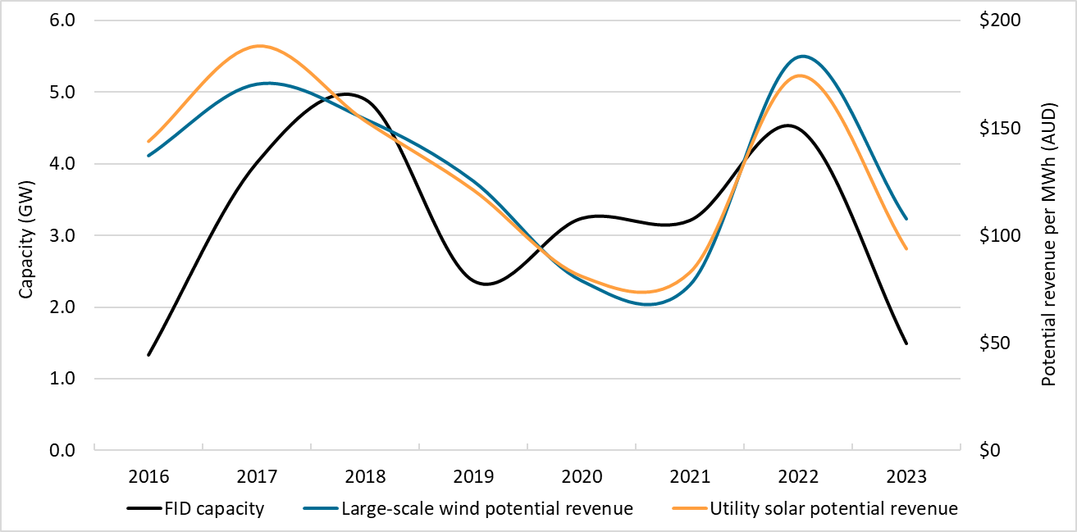

About Figure 3.7 This figure shows FID capacity in gigawatts (GW) over time. This figure also shows the potential revenue in Australian Dollars (AUD) per megawatt hour (MWh) for large-scale wind and utility solar generation over time. Potential revenue is calculated by adding the large-scale generation certificate (LGC) spot price and the National Electricity Market (NEM) wholesale price.
The small print The Clean Energy Regulator (CER) tracks public FID announcements, this information may not be complete and may change retrospectively. NEM data sourced from OpenNEM. LGC spot price sourced from CORE markets. Data as at 31 December 2023 for wholesale prices (wind and solar) and LGC price. Data as at 1 March 2024 for FID.

Figure 4.1
Back to contents
Figure 4.1 Weekly small-scale technology certificate (STC) supply and the required supply to meet the small-scale technology percentage (STP), January to December 2023
Month | Week | Weekly STC supply | Required weekly supply for STP | Weekly STC supply as a proportion of required supply
Jan | 1 | 616,388 | 661,538 | 93%
 | 2 | 554,696 | 661,538 | 84%
 | 3 | 724,334 | 661,538 | 109%
 | 4 | 667,067 | 661,538 | 101%
Feb | 5 | 698,385 | 661,538 | 106%
 | 6 | 695,586 | 661,538 | 105%
 | 7 | 759,685 | 661,538 | 115%
 | 8 | 743,769 | 661,538 | 112%
Mar | 9 | 701,672 | 661,538 | 106%
 | 10 | 914,963 | 661,538 | 138%
 | 11 | 736,252 | 661,538 | 111%
 | 12 | 705,083 | 661,538 | 107%
 | 13 | 675,053 | 661,538 | 102%
Apr | 14 | 563,342 | 661,538 | 85%
 | 15 | 584,960 | 661,538 | 88%
 | 16 | 671,982 | 661,538 | 102%
 | 17 | 625,195 | 661,538 | 95%
 | 18 | 673,272 | 661,538 | 102%
May | 19 | 675,124 | 661,538 | 102%
 | 20 | 678,155 | 661,538 | 103%
 | 21 | 703,176 | 661,538 | 106%
 | 22 | 705,922 | 661,538 | 107%
Jun | 23 | 650,890 | 661,538 | 98%
 | 24 | 608,356 | 661,538 | 92%
 | 25 | 645,572 | 661,538 | 98%
 | 26 | 768,563 | 661,538 | 116%
July | 27 | 715,179 | 661,538 | 108%
 | 28 | 753,573 | 661,538 | 114%
 | 29 | 740,070 | 661,538 | 112%
 | 30 | 719,170 | 661,538 | 109%
Aug | 31 | 658,858 | 661,538 | 100%
 | 32 | 806,312 | 661,538 | 122%
 | 33 | 731,825 | 661,538 | 111%
 | 34 | 740,431 | 661,538 | 112%
 | 35 | 767,741 | 661,538 | 116%
Sep | 36 | 720,760 | 661,538 | 109%
 | 37 | 873,022 | 661,538 | 132%
 | 38 | 730,044 | 661,538 | 110%
 | 39 | 670,258 | 661,538 | 101%
Oct | 40 | 560,798 | 661,538 | 85%
 | 41 | 714,023 | 661,538 | 108%
 | 42 | 755,836 | 661,538 | 114%
 | 43 | 735,525 | 661,538 | 111%
Nov | 44 | 740,108 | 661,538 | 112%
 | 45 | 796,480 | 661,538 | 120%
 | 46 | 796,179 | 661,538 | 120%
 | 47 | 839,014 | 661,538 | 127%
Dec | 48 | 825,306 | 661,538 | 125%
 | 49 | 850,404 | 661,538 | 129%
 | 50 | 1,014,841 | 661,538 | 153%
 | 51 | 1,156,654 | 661,538 | 175%
 | 52 | 103,628 | 661,538 | 16%
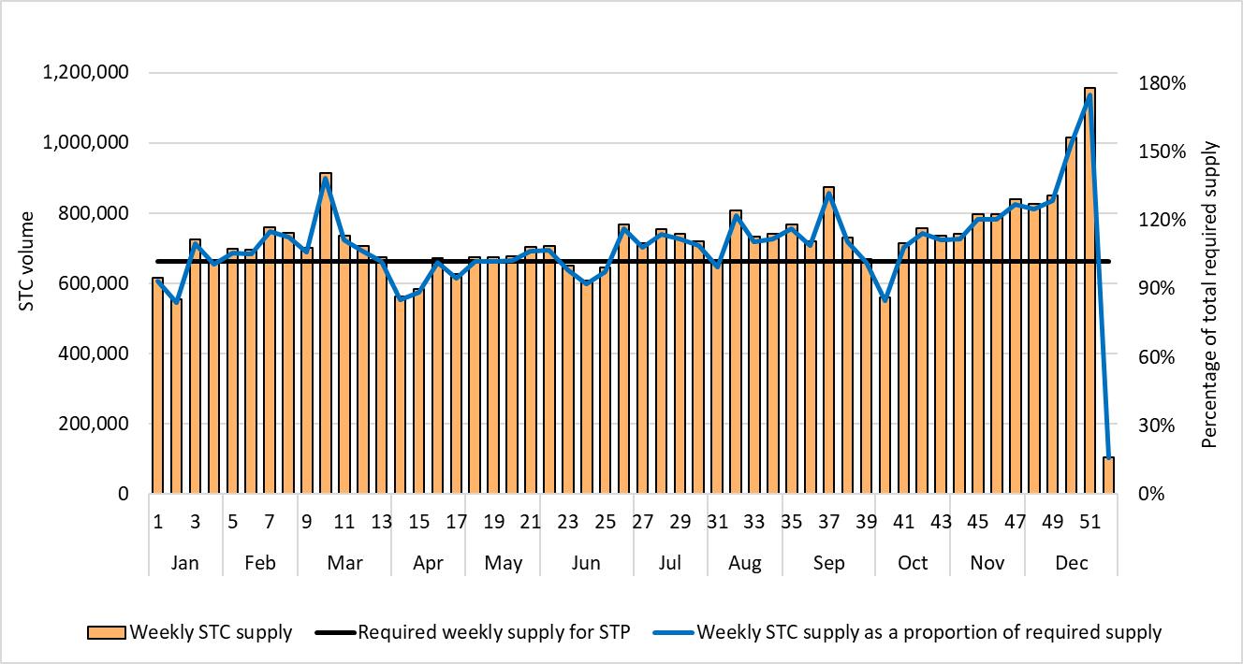

About Figure 4.1 This figure shows the weekly supply of STCs. It also shows the required weekly supply of STCs to meet the STP and the weekly supply of STCs as a proportion of this required weekly supply.
The small print Required STC supply refers to the estimated number of STCs to be created (34,400,000) to meet the annual STP liability and under/over supply from previous years. Some weeks are spread across multiple months, the month label refers to the month as at the end of the week.

Figure 4.2
Back to contents
Figure 4.2 Small-scale technology certificate (STC) reported spot and STC clearing house prices, January 2019 to December 2023
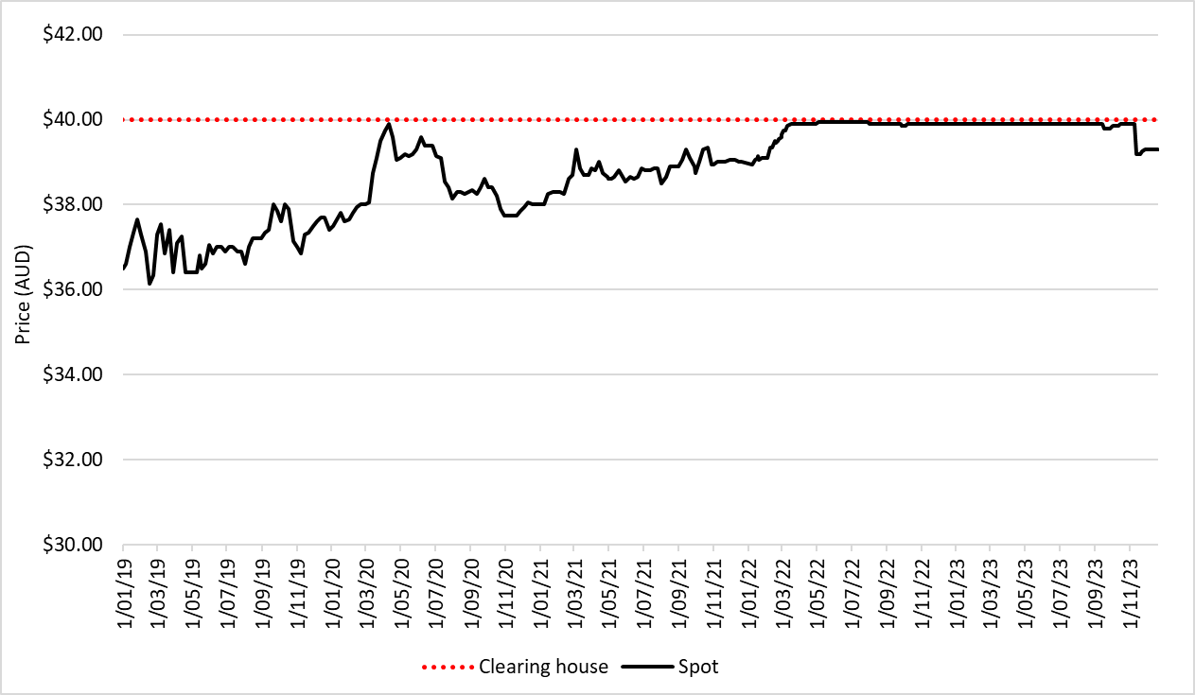

About Figure 4.2 This figure shows the STC spot price and STC clearing house price over time.
The small print STC spot price sourced from CORE markets. Renewable Energy Target (RET) liable entities and other buyers who have a valid REC Registry account may buy STCs from the STC clearing house. If there are no STCs available for sale in the STC clearing house the Clean Energy Regulator (CER) will create 'CER created STCs' for buyers to purchase. CER created STCs can be traded and surrendered exactly like ordinary STCs. Small-scale renewable energy system owners and registered agents have the option to sell STCs through the open market for an uncapped price, or through the STC clearing house at a fixed price of $40 (excluding GST). Before STCs can be sold through the STC clearing house they must be validated and registered.

Figure 4.3
Back to Contents
Figure 4.3 Small-scale rooftop solar installed capacity in megawatts (MW) by state and territory, Q1 2019 to Q4 2023
Year | Quarter | ACT | NSW | NT | Queensland | SA | Tasmania | Victoria | WA
2019 | Q1 | 5.6 | 112.0 | 5.5 | 110.3 | 43.7 | 3.8 | 121.3 | 53.1
2019 | Q2 | 5.8 | 130.7 | 7.1 | 130.7 | 50.9 | 4.4 | 95.9 | 53.3
2019 | Q3 | 7.1 | 148.7 | 7.4 | 145.5 | 59.4 | 5.2 | 94.3 | 60.7
2019 | Q4 | 11.4 | 198.7 | 8.5 | 178.4 | 68.9 | 6.9 | 149.0 | 79.2
2020 | Q1 | 8.2 | 169.6 | 7.0 | 158.4 | 63.8 | 6.8 | 132.1 | 72.7
2020 | Q2 | 9.7 | 200.0 | 7.8 | 177.1 | 68.6 | 6.0 | 134.1 | 73.8
2020 | Q3 | 13.0 | 240.6 | 6.3 | 194.2 | 87.9 | 5.7 | 114.4 | 86.0
2020 | Q4 | 15.7 | 285.6 | 6.4 | 223.7 | 83.1 | 8.1 | 193.4 | 103.3
2021 | Q1 | 12.4 | 246.5 | 4.2 | 193.8 | 68.5 | 6.8 | 162.7 | 86.7
2021 | Q2 | 12.7 | 248.4 | 3.9 | 201.0 | 66.2 | 8.2 | 166.3 | 87.2
2021 | Q3 | 12.4 | 198.9 | 4.3 | 208.3 | 72.1 | 8.5 | 164.4 | 83.0
2021 | Q4 | 20.5 | 258.0 | 6.2 | 208.2 | 83.0 | 9.7 | 182.0 | 96.2
2022 | Q1 | 17.5 | 159.5 | 3.7 | 145.5 | 52.9 | 6.6 | 109.0 | 70.4
2022 | Q2 | 18.8 | 191.0 | 4.7 | 166.2 | 56.4 | 7.5 | 114.6 | 64.5
2022 | Q3 | 21.8 | 226.7 | 5.1 | 186.8 | 66.8 | 9.2 | 148.4 | 67.2
2022 | Q4 | 27.3 | 273.5 | 5.4 | 216.2 | 81.4 | 11.0 | 169.0 | 84.4
2023 | Q1 | 21.2 | 200.2 | 2.9 | 170.2 | 57.0 | 10.5 | 131.8 | 65.8
2023 | Q2 | 21.3 | 239.3 | 3.5 | 188.5 | 58.2 | 11.2 | 142.5 | 62.7
2023 | Q3 | 23.0 | 270.0 | 3.2 | 200.0 | 67.8 | 12.4 | 153.1 | 61.5
2023 | Q4 | 17.3 | 311.5 | 4.1 | 218.2 | 74.9 | 15.1 | 185.0 | 73.2
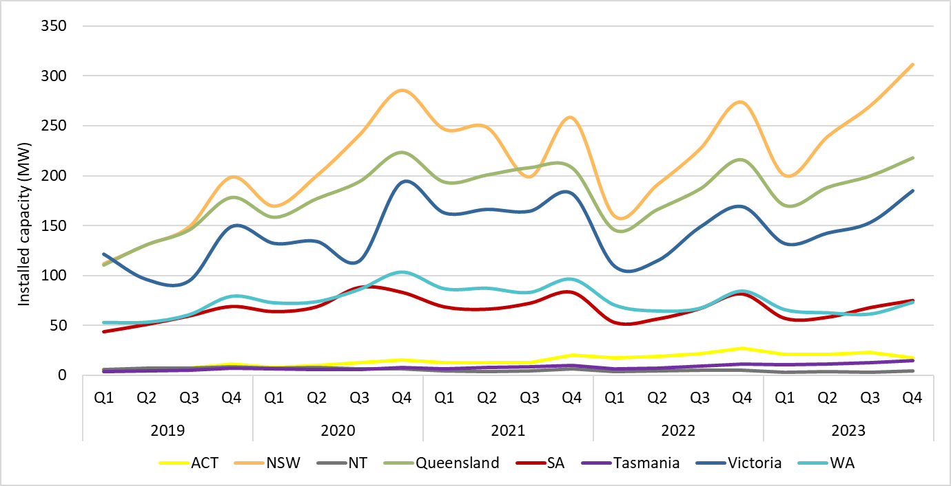

About Figure 4.3 This figure shows the small-scale rooftop solar installed capacity under the Small-scale Renewable Energy Scheme (SRES) by state and territory over time.
The small print A 12 month creation period for registered persons to create small-scale technology certificates (STCs) applies under the Renewable Energy (Electricity) Regulations (2001). Data for installations in 2023 have been lag-adjusted to account for the 12 month creation rule and are estimates only. The 2023 installed capacity figures may change and totals may not sum.

Figure 4.4
Back to contents
Figure 4.4 Proportion of replacement small-scale rooftop solar by state and territory, Q1 2022 to Q4 2023
Year | Quarter | ACT | NSW | NT | Queensland | SA | Tasmania | Victoria | WA | Australia
2022 | Q1 | 3.3% | 10.2% | 5.2% | 19.8% | 12.3% | 7.5% | 6.6% | 15.2% | 12.5%
2022 | Q2 | 8.0% | 11.2% | 5.9% | 21.7% | 12.4% | 7.4% | 6.1% | 17.7% | 13.6%
2022 | Q3 | 3.6% | 11.3% | 5.4% | 21.6% | 12.7% | 4.3% | 6.6% | 17.7% | 13.3%
2022 | Q4 | 3.6% | 11.1% | 5.0% | 19.5% | 12.9% | 5.0% | 7.0% | 16.0% | 12.7%
2023 | Q1 | 3.8% | 11.0% | 7.0% | 19.3% | 14.4% | 5.2% | 6.4% | 16.0% | 12.7%
2023 | Q2 | 4.0% | 12.4% | 8.9% | 22.8% | 14.7% | 6.7% | 7.7% | 17.0% | 14.4%
2023 | Q3 | 4.1% | 13.1% | 8.0% | 23.3% | 15.6% | 7.6% | 7.5% | 18.6% | 14.9%
2023 | Q4 | 4.2% | 12.8% | 8.9% | 21.7% | 15.8% | 5.7% | 7.1% | 17.1% | 14.5%
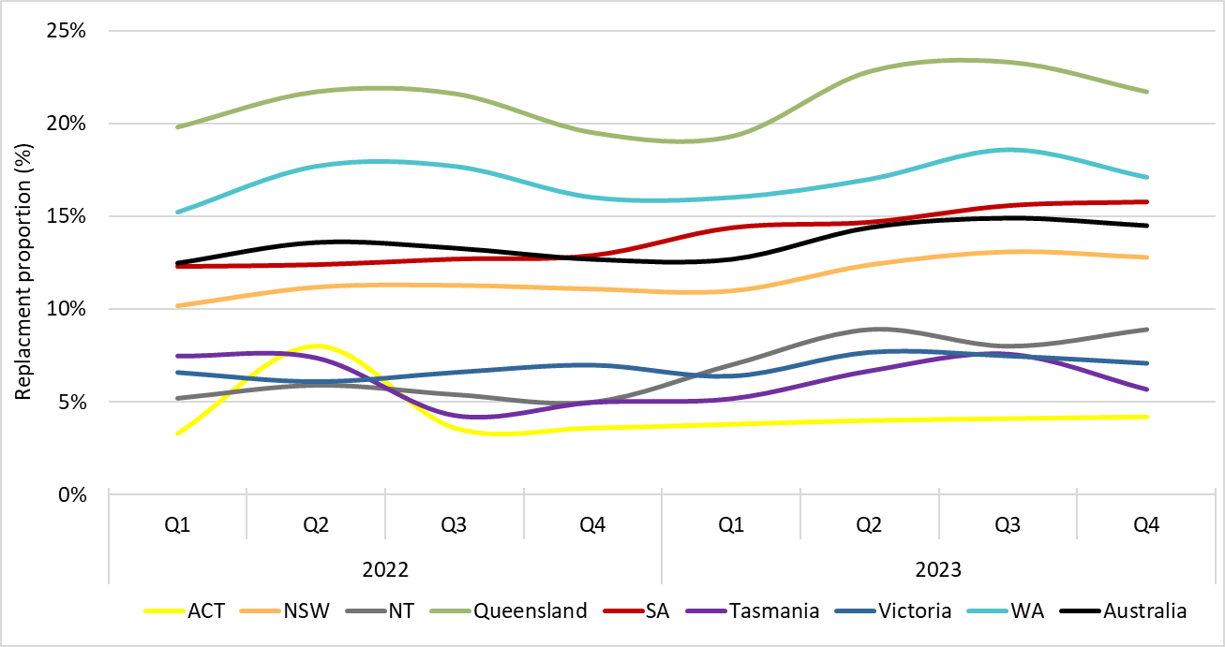

About Figure 4.4 This figure shows small-scale rooftop solar replacements as a proportion of total installations by state and territory over time.
The small print Replacement systems represent rooftop solar systems categorised in the Renewable Energy Certificate (REC) Registry as replacements.

Figure 4.5
Back to contents
Figure 4.5 Small-scale rooftop solar installations, installed capacity, and average system size, Q1 2019 to Q4 2023
Year | Quarter | Installations | Installed capacity (MW) | Average system size (kW) | Annual total installations | Annual total capacity (MW)
2019 | Q1 | 64,844 | 456 | 7.0
2019 | Q2 | 62,899 | 479 | 7.6
2019 | Q3 | 69,049 | 529 | 7.7
2019 | Q4 | 87,239 | 702 | 8.0 | 284,031 | 2,165
2020 | Q1 | 83,020 | 619 | 7.5
2020 | Q2 | 84,744 | 678 | 8.0
2020 | Q3 | 93,684 | 748 | 8.0
2020 | Q4 | 108,872 | 920 | 8.4 | 370,320 | 2,965
2021 | Q1 | 98,957 | 782 | 7.9
2021 | Q2 | 95,213 | 794 | 8.3
2021 | Q3 | 89,202 | 752 | 8.4
2021 | Q4 | 94,085 | 864 | 9.2 | 377,457 | 3,193
2022 | Q1 | 68,570 | 566 | 8.2
2022 | Q2 | 71,534 | 624 | 8.7
2022 | Q3 | 84,350 | 732 | 8.7
2022 | Q4 | 91,178 | 869 | 9.5 | 315,632 | 2,791
2023 | Q1 | 76,200 | 660 | 8.7
2023 | Q2 | 78,101 | 727 | 9.3
2023 | Q3 | 85,343 | 791 | 9.3
2023 | Q4 | 91,030 | 896 | 9.8 | 330,673 | 3,074
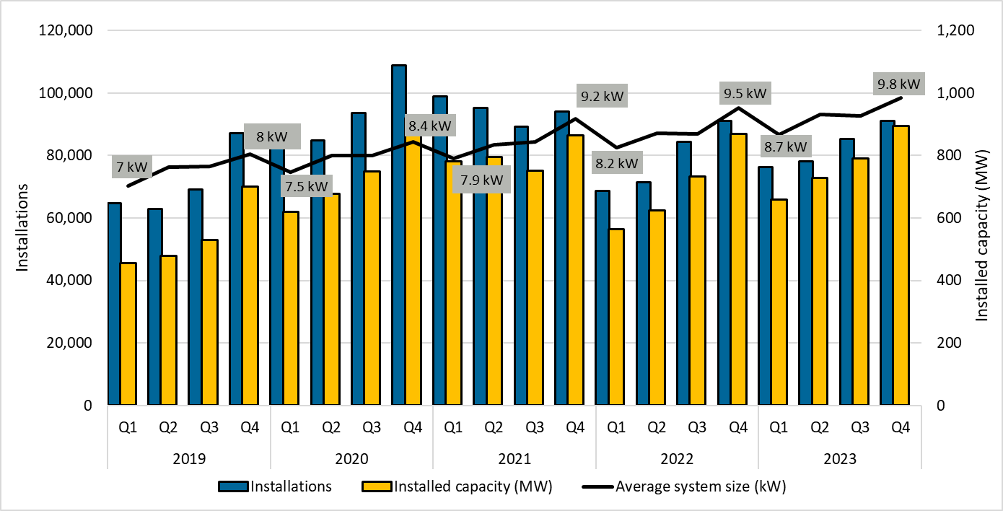

About Figure 4.5 This figure shows the installed capacity in megawatts (MW), average system size in kilowatts (kW), and number of small-scale rooftop solar installations over time.
The small print Small-scale rooftop solar systems must have a capacity of less than 100kW. A 12 month creation period for registered persons to create small-scale technology certificates (STCs) applies under the Renewable Energy (Electricity) Regulations (2001). Data for installations and installed capacity in 2023 have been lag-adjusted to account for the 12 month creation rule and are estimates only. The 2023 installation and installed capacity figures may change.

Figure 4.6
Back to contents
Figure 4.6 Air source heat pump installations by state and territory, Q1 2019 to Q4 2023
Year | Quarter | ACT | NSW | NT | Queensland | SA | Tasmania | Victoria | WA | Annual total
2019 | Q1 | 119 | 622 | <10 | 1,443 | 447 | 258 | 1,388 | 533
2019 | Q2 | 100 | 723 | <10 | 1,343 | 349 | 414 | 1,921 | 667
2019 | Q3 | 311 | 812 | <10 | 1,357 | 652 | 408 | 1,275 | 530
2019 | Q4 | 278 | 750 | <10 | 1,205 | 647 | 298 | 1,671 | 549 | 21,085
2020 | Q1 | 304 | 631 | <10 | 1,155 | 655 | 252 | 1,685 | 530
2020 | Q2 | 366 | 816 | <10 | 1,425 | 1,217 | 269 | 2,827 | 806
2020 | Q3 | 368 | 879 | 12 | 1,632 | 1,694 | 345 | 4,106 | 798
2020 | Q4 | 325 | 972 | 27 | 1,484 | 698 | 219 | 5,115 | 960 | 32,577
2021 | Q1 | 209 | 793 | <10 | 1,344 | 1,013 | 197 | 5,541 | 655
2021 | Q2 | 300 | 971 | <10 | 1,946 | 1,290 | 316 | 8,078 | 1,045
2021 | Q3 | 249 | 1,021 | 81 | 2,238 | 1,517 | 424 | 10,641 | 1,101
2021 | Q4 | 432 | 1,006 | 43 | 2,277 | 953 | 432 | 12,560 | 1,133 | 59,816
2022 | Q1 | 394 | 744 | 50 | 1,832 | 617 | 420 | 11,808 | 919
2022 | Q2 | 423 | 1,592 | 70 | 2,184 | 1,150 | 570 | 11,780 | 1,226
2022 | Q3 | 589 | 5,180 | 28 | 2,284 | 1,169 | 545 | 12,394 | 1,436
2022 | Q4 | 543 | 9,772 | <10 | 2,124 | 860 | 519 | 12,420 | 1,562 | 87,210
2023 | Q1 | 432 | 11,807 | <10 | 1,891 | 987 | 364 | 9,683 | 1,342
2023 | Q2 | 580 | 21,197 | 12 | 2,354 | 1,103 | 396 | 8,325 | 1,541
2023 | Q3 | 521 | 24,236 | <10 | 2,793 | 1,267 | 310 | 8,598 | 1,694
2023 | Q4 | 462 | 18,027 | <10 | 3,069 | 1,030 | 287 | 9,469 | 1,524 | 135,312
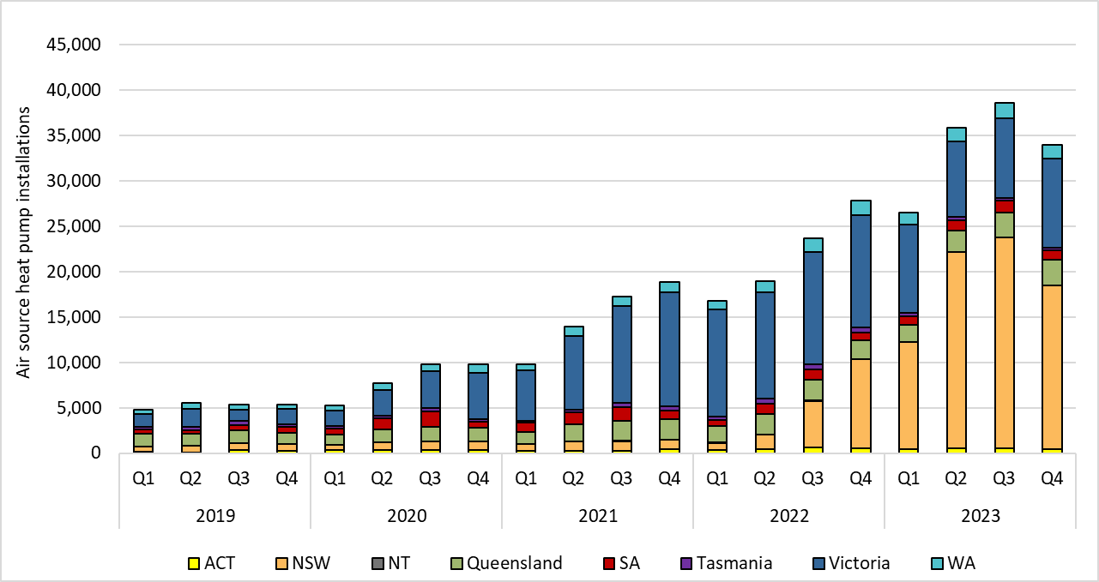

About Figure 4.6 This figure shows the number of air source heat pump installations under the Small-scale Renewable Energy Scheme (SRES) by state and territory each quarter over time.
The small print Where values are less than 10 data have been modified due to privacy considerations. In the figure these values appear as 10. A 12 month creation period for registered persons to create small-scale technology certificates (STCs) applies under the Renewable Energy (Electricity) Regulations (2001). Data for installations in 2023 have been lag-adjusted to account for the 12 month creation rule and are estimates only. The 2023 installation figures may change.

Figure 4.7
Back to contents
Figure 4.7 Small-scale technology certificate (STC) market transactions, January 2020 to December 2023
Year | Month | STCs transacted | Number of transactions | Annual total STCs transacted
2020 | Jan | 7,575,993 | 993
2020 | Feb | 8,843,300 | 1,010
2020 | Mar | 7,334,068 | 1,044
2020 | Apr | 13,975,556 | 1,053
2020 | May | 5,520,985 | 870
2020 | Jun | 7,155,686 | 913
2020 | Jul | 15,283,956 | 1,239
2020 | Aug | 7,594,703 | 1,021
2020 | Sep | 8,498,478 | 1,103
2020 | Oct | 14,697,248 | 1,289
2020 | Nov | 7,715,062 | 1,061
2020 | Dec | 9,248,797 | 1,150 | 113,443,832
2021 | Jan | 9,476,056 | 1,153
2021 | Feb | 13,124,791 | 1,325
2021 | Mar | 10,970,946 | 1,305
2021 | Apr | 19,994,439 | 1,319
2021 | May | 7,351,922 | 1,052
2021 | Jun | 9,254,955 | 1,157
2021 | Jul | 13,840,301 | 1,245
2021 | Aug | 6,752,906 | 986
2021 | Sep | 8,606,851 | 1,043
2021 | Oct | 13,701,933 | 1,279
2021 | Nov | 6,497,663 | 1,041
2021 | Dec | 8,426,212 | 969 | 127,998,975
2022 | Jan | 7,266,758 | 1,107
2022 | Feb | 10,484,189 | 1,162
2022 | Mar | 6,271,780 | 1,138
2022 | Apr | 12,082,070 | 982
2022 | May | 3,791,819 | 843
2022 | Jun | 4,135,523 | 857
2022 | Jul | 8,812,937 | 916
2022 | Aug | 3,939,429 | 840
2022 | Sep | 3,992,412 | 823
2022 | Oct | 9,185,332 | 890
2022 | Nov | 3,828,353 | 843
2022 | Dec | 4,545,496 | 786 | 78,336,098
2023 | Jan | 3,758,046 | 739
2023 | Feb | 6,439,216 | 778
2023 | Mar | 3,132,586 | 769
2023 | Apr | 5,848,581 | 707
2023 | May | 2,751,769 | 726
2023 | Jun | 5,415,140 | 696
2023 | Jul | 7,745,299 | 869
2023 | Aug | 3,631,170 | 847
2023 | Sep | 3,714,537 | 862
2023 | Oct | 6,720,699 | 998
2023 | Nov | 4,656,633 | 922
2023 | Dec | 5,940,405 | 877 | 59,754,081
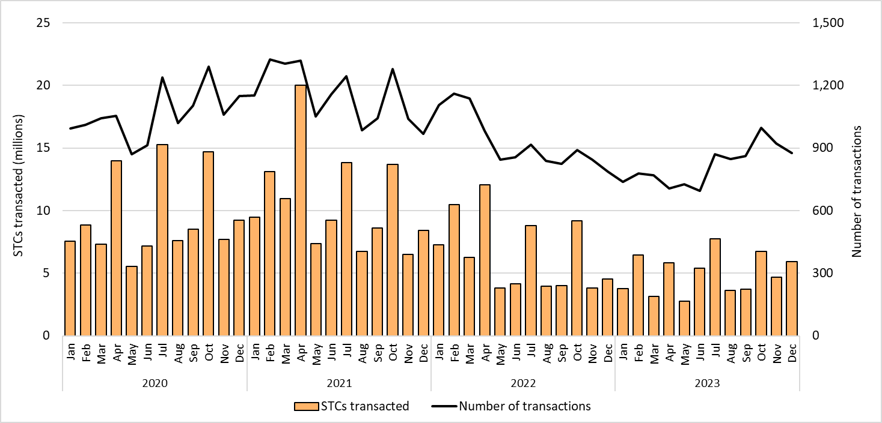

About Figure 4.7 This figure shows the volume of STCs transacted in millions and the number of transactions, excluding STC clearing house transactions over time.

Figure 4.8
Back to contents
Figure 4.8 Small-scale technology certificate (STC) supply by quarter, Q1 2019 to Q4 2023
Year | Quarter | STC supply | Annual total
2019 | Q1 | 8,651,927
2019 | Q2 | 8,401,570
2019 | Q3 | 8,837,916
2019 | Q4 | 9,907,561 | 35,798,974
2020 | Q1 | 10,351,465
2020 | Q2 | 11,170,680
2020 | Q3 | 12,056,954
2020 | Q4 | 12,408,853 | 45,987,952
2021 | Q1 | 12,864,839
2021 | Q2 | 11,713,534
2021 | Q3 | 11,310,762
2021 | Q4 | 11,142,335 | 47,031,470
2022 | Q1 | 9,234,046
2022 | Q2 | 8,169,461
2022 | Q3 | 9,712,277
2022 | Q4 | 10,918,995 | 38,034,779
2023 | Q1 | 9,192,933
2023 | Q2 | 8,554,509
2023 | Q3 | 9,627,243
2023 | Q4 | 9,888,796 | 37,263,481
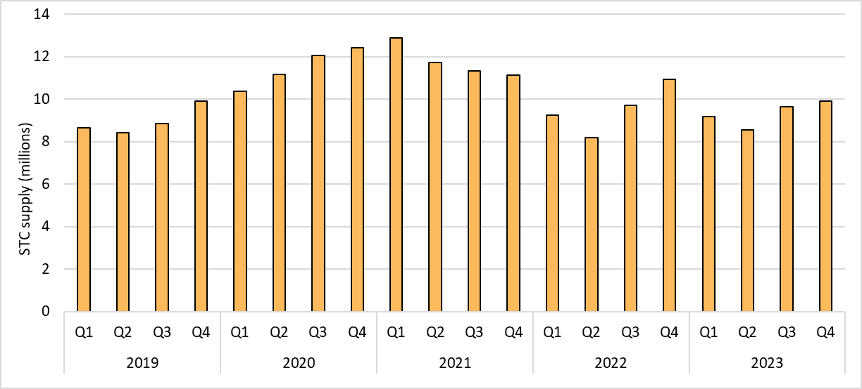

About Figure 4.8 This figure shows STC supply in millions over time.

Figure 4.9
Back to contents
Figure 4.9 Small-scale rooftop solar capacity installed by system size band, Q1 2019 to Q4 2023
Year | Quarter | 0-5 kW | 5-10 kW | 10-15 kW | 15-20 kW | 20-50 kW | 50-100 kW
2019 | Q1 | 10% | 65% | 9% | 3% | 6% | 7%
2019 | Q2 | 9% | 59% | 11% | 4% | 8% | 9%
2019 | Q3 | 8% | 61% | 11% | 3% | 8% | 8%
2019 | Q4 | 6% | 60% | 12% | 3% | 8% | 11%
2020 | Q1 | 7% | 67% | 12% | 3% | 5% | 6%
2020 | Q2 | 6% | 61% | 13% | 4% | 7% | 9%
2020 | Q3 | 5% | 63% | 15% | 4% | 6% | 7%
2020 | Q4 | 4% | 60% | 17% | 4% | 7% | 8%
2021 | Q1 | 4% | 65% | 18% | 3% | 5% | 4%
2021 | Q2 | 5% | 58% | 19% | 4% | 7% | 7%
2021 | Q3 | 4% | 57% | 22% | 4% | 7% | 6%
2021 | Q4 | 3% | 51% | 24% | 4% | 8% | 10%
2022 | Q1 | 4% | 58% | 25% | 4% | 5% | 4%
2022 | Q2 | 4% | 53% | 26% | 4% | 7% | 7%
2022 | Q3 | 4% | 54% | 27% | 4% | 6% | 5%
2022 | Q4 | 3% | 47% | 28% | 5% | 8% | 9%
2023 | Q1 | 4% | 53% | 29% | 4% | 6% | 4%
2023 | Q2 | 4% | 47% | 30% | 5% | 8% | 6%
2023 | Q3 | 3% | 46% | 34% | 5% | 7% | 4%
2023 | Q4 | 3% | 43% | 39% | 6% | 8% | 1%
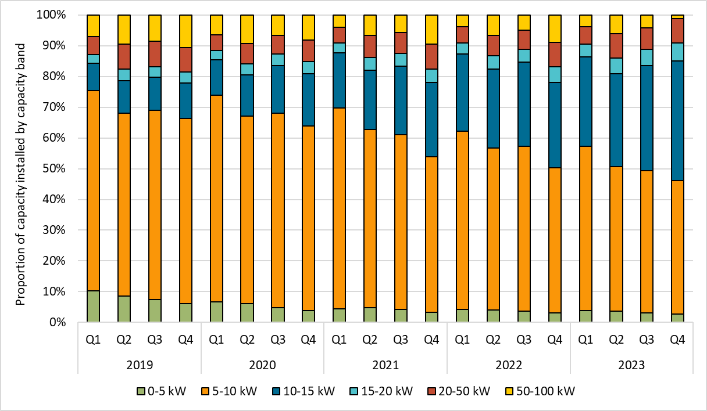

About Figure 4.9 This figure shows the proportion of small-scale rooftop solar systems installed under the Small-scale Renewable Energy Scheme (SRES) by capacity band in kilowatts (kW) over time.
The small print Data as at 31 December 2023. A 12 month creation period for registered persons to create small-scale technology certificates (STCs) applies under the Renewable Energy (Electricity) Regulations (2001). Data is subject to change.

Figure 5.1
Back to contents
Figure 5.1 Estimated emissions reduction from Clean Energy Regulator (CER) schemes, 2011 to 2024
Year | Large-scale Renewable Energy Target (LRET) carbon content (t CO2-e) | Small-scale Renewable Energy Scheme (SRES) carbon content (t CO2-e) | Australian Carbon Credit Unit (ACCU) Scheme carbon content (t CO2-e) | Thermal displacement estimate (t CO2-e)
2011 | 8,821,723 | 3,156,372 | 0 | 13,453,826
2012 | 10,917,932 | 4,328,473 | 348,110 | 17,542,227
2013 | 13,473,613 | 5,416,228 | 3,877,980 | 25,735,233
2014 | 12,398,082 | 6,291,461 | 7,621,505 | 29,678,120
2015 | 12,926,841 | 7,181,424 | 7,867,836 | 31,981,462
2016 | 15,959,150 | 8,024,954 | 13,133,396 | 42,239,191
2017 | 14,143,046 | 9,083,849 | 12,170,406 | 39,418,518
2018 | 18,151,873 | 10,414,606 | 12,438,219 | 46,958,090
2019 | 21,433,330 | 12,028,374 | 14,830,105 | 56,557,865
2020 | 23,503,980 | 13,934,322 | 16,052,805 | 65,697,699
2021 | 25,391,307 | 15,717,877 | 17,040,782 | 77,097,362
2022 | 27,091,465 | 17,315,270 | 17,738,059 | 86,090,747
2023 | 29,273,905 | 19,047,055 | 17,221,108 | 95,872,717
2024 (estimate) | 29,300,000 | 19,500,000 | 22,000,000 | 109,500,000
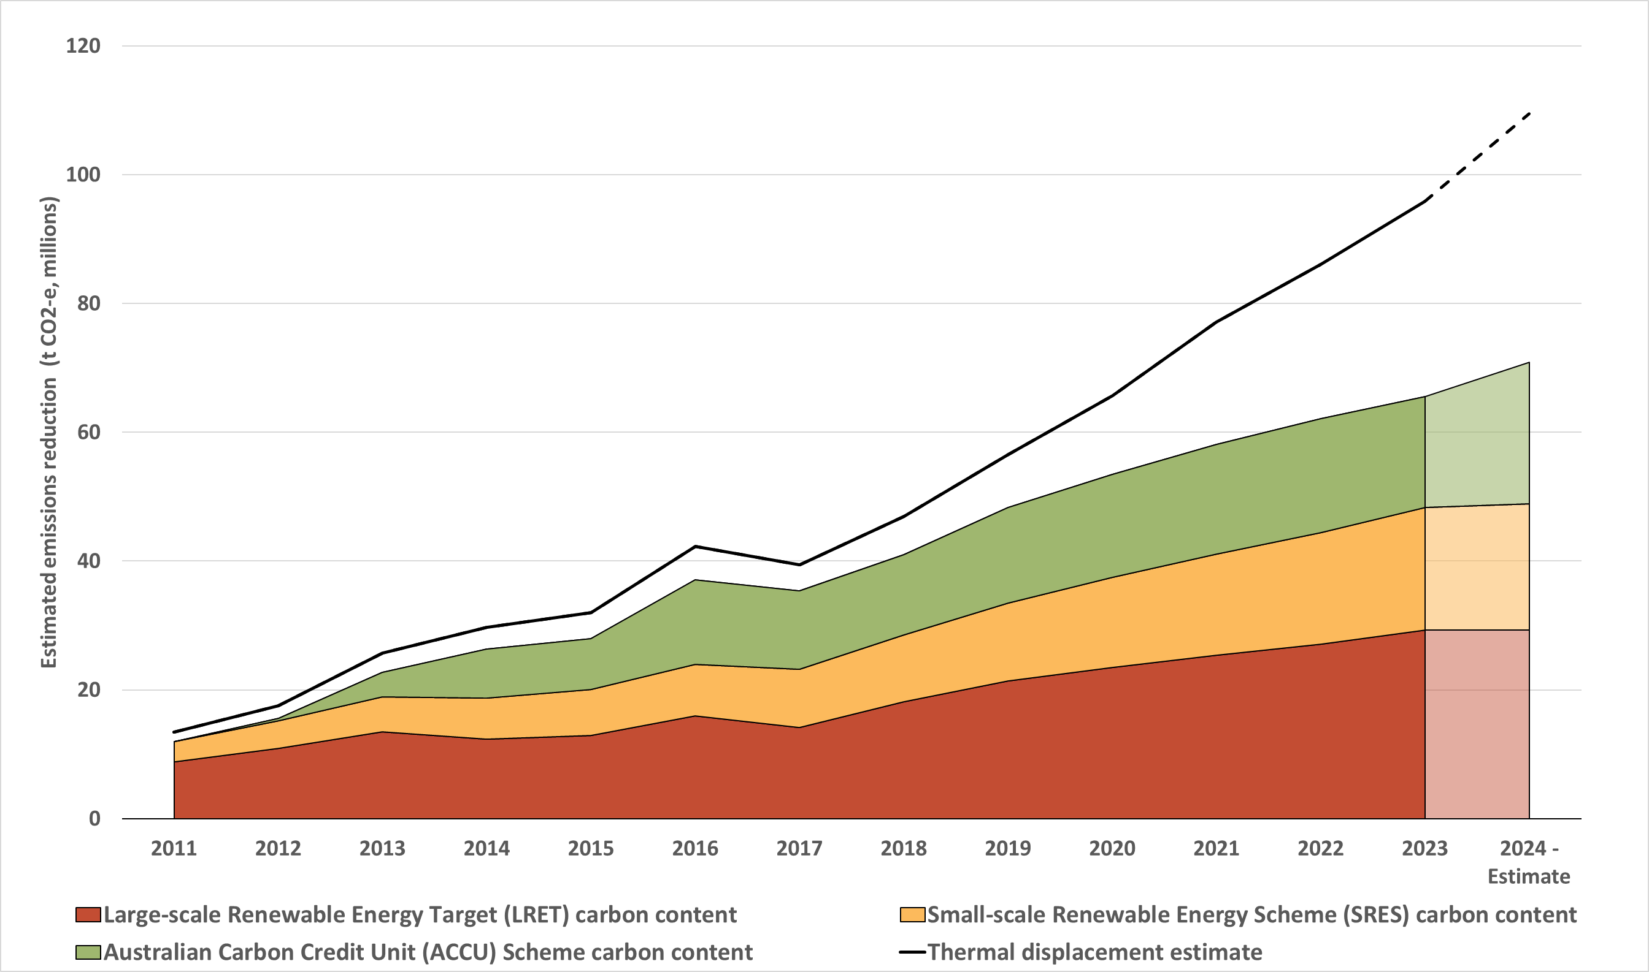

About Figure 5.1 This figure shows the estimated emissions reduction from the 3 schemes administered by the CER in tonnes of carbon dioxide equivalence (t CO2-e) over time.
Small print A methodological overview of the emission reduction estimates is provided in the Q3 2021 QCMR. The 2023 emission intensity of the National Energy Market (NEM) is sourced from OpenNEM. For the SRES carbon content, the estimated generation is based on the installation year only. The ACCU Scheme estimate is based on ACCUs issued in each calendar year, this may include abatement that has occurred in prior years due to the lagged nature of the claiming process. Annual values may change over time due to updated generation, scheme information and minor revisions to the methodology.

